projects priorty
 | Deliverable /Description | Draft budget 2021/22 | 2022/23 | 2023/24 | Strategic Action
1 | Groundwater or surface water resource development as the highest priority | 10,307,807.00 | 10,926,275.42 | 11,581,851.95 | No new water infrastructure shall be developed by SDM without a developed, tested, quantified, and reliable ground or surface water source
2 | Updated WSDP for 2021 /22 | 500,000.00 |  |  | Update the WSDP for SDM which was last updated in 2014
3 | Updated 2021 Water and Sanitation Masterplan | 500,000.00 |  |  | Update of the SDM Water and Sanitation Masterplan
4 | Comprehensive WC/WDM strategy for SDM, incorporating all the four pillars | 2,000,000.00 | 1,500,000.00 | - | Development of the comprehensive water conservation and water demand management strategy for SDM (i.e. institutional, legislative, financial and technical. The technical pillar must include infrastructure refurbishment / rehabilitation and replacement sub-strategies)
5 | O & M Strategy for SDM infrastructure and O & M policy | 500,000.00 | 530,000.00 | 561,800.00 | Development of operations and maintenance strategy for SDM (Included in the assignment shall be O & M policy)
6 | SDM Infrastructure Asset Management Strategy and Policy | 1,500,000.00 | 1,000,000.00 |  | Development of SDM water and sanitation infrastructure asset management strategy (included in the assignment shall be the Infrastructure Asset Management Policy)
7 | Growth in the number and improved CIDB grading of emerging contractors in the Sekhukhune District Municipality | 25,000,000.00 | 26,500,000.00 |  | Contractor development strategy and programme within SDM (Grade 1 to 5)
8 | Number of short term jobs created through project implementation, number of local contractors employed in projects and number of local community members who received accredited training through projects | - | - | - | Strategy for utilising water and sanitation infrastructure projects to drive local economies in the project areas
9 | •Early warning depletion of water resource. Improved manage of the limited resource. Preparedness for drought | 500,000.00 | 530,000.00 |  | Monitoring of both groundwater (ie boreholes) and surface water resource (dams) availability
10 | Provision of good quality water as required by the Water Services Act and the Constitution | - | - | - | Monitoring of water quality
11 | •Qualified staff to ensure successful forward planning and implementation. | 3,500,000.00 | 3,710,000.00 |  | Human capital development to ensure forward planning and project implementation oversight
12 | •3 x registered engineers (Planning & design, system modelling, hydraulic modelling and network analysis).
13 | •3 x additional project managers
14 | Functional GIS for IWS (As-built drawings of the existing infrastructure must be on GIS system) | - | - | - | Secure and Implement Geographical Information Management System (‘’GIS’’) for Infrastructure and Water Services Department
15 | Functional IDMS with all current and completed projects in the system | 500,000.00 | 530,000.00 | 561,800.00 | Infrastructure Delivery Management System (This enable capturing of the infrastructure value chain – from construction to asset to maintenance)
16 | Functional Telemetry System for bulk infrastructure assets such as reservoirs, pump stations, treatment plants, bulk water meters | 1,500,000.00 | 1,590,000.00 |  | Procurement and installation of Telemetry System for bulk strategic water and sanitation infrastructure assets (e.g. start with Marble Hall, Groblersdal, Burgersfort, Steelpoort, etc)
17 | Functional IWS related query / fault reporting system | 1,000,000.00 | 1,060,000.00 | 1,123,600.00 | Customer care, fault reporting and query management system
18 | •Reliable digital and physical records management (i.e. all records on laptop and desktop computers must be stored on the SDM network (e.g. Shared folders) | - | - | - | Ensure proper records management and filing system
19 | •Physical storage room of all completed projects and A-Built Drawings must be identified and utilised
20 | •Reliable and updated GIS system. | 300,000.00 | 318,000.00 | 337,080.00 | Human capital development to ensure forward planning and project implementation oversight
21 | •1 X dedicated GIS Official
22 | Reduce the number of breakdowns or system failures to zero per month | - | - | - | Planned, routine and preventative maintenance to be implemented once a quarter in all raw and wastewater treatment plants including groundwater sources, and storage reservoirs
23 | Knowledge of the existing infrastructure components and enhanced maintenance | 1,500,000.00 | 1,590,000.00 | 1,685,400.00 | As-Built Drawings of completed schemes to be captured in both the IDMS and GIS systems to ensure improved operations and maintenance of the infrastructure
24 | Updated As-Built Drawings as a true reflection of the infrastructure asset | - | - | - | Ensure that any replacement of the components (e.g. pumps, valves, etc) of the existing infrastructure are captured in the As-Built Drawings.
25 | Procurement of the borehole drilling rig and appropriate components. | 4,000,000.00 | 4,240,000.00 | 4,494,400.00 | Appropriate tools of trade
31 | Effective and structured water quality management | 500,000.00 | 530,000.00 | 561,800.00 | Development of the overall water quality monitoring and management strategy for SDM
32 | Structured and focused water quality management | Cost of the water quality staff | Cost of the water quality staff | Cost of the water quality staff | Development and implementation of water quality management protocols and guidelines
33 | Billboards on Dam Levels supplying the main towns | 1,000,000.00 | 1,060,000.00 | 1,123,600.00 | Implement proactive strategy for community unrests and project stoppages: Conduct education and awareness on matters related to water use, taking care of infrastructure and socio-economic issues attributed to projects. (i.e. Groblersdal, Marble Hall, Burgersfort, Jane Furse, etc). | Joint effort between Communications Department; IWS; and BTO

 | I&WS Projected Budget | 54,607,807.00 | 55,614,275.42 | 22,031,331.95

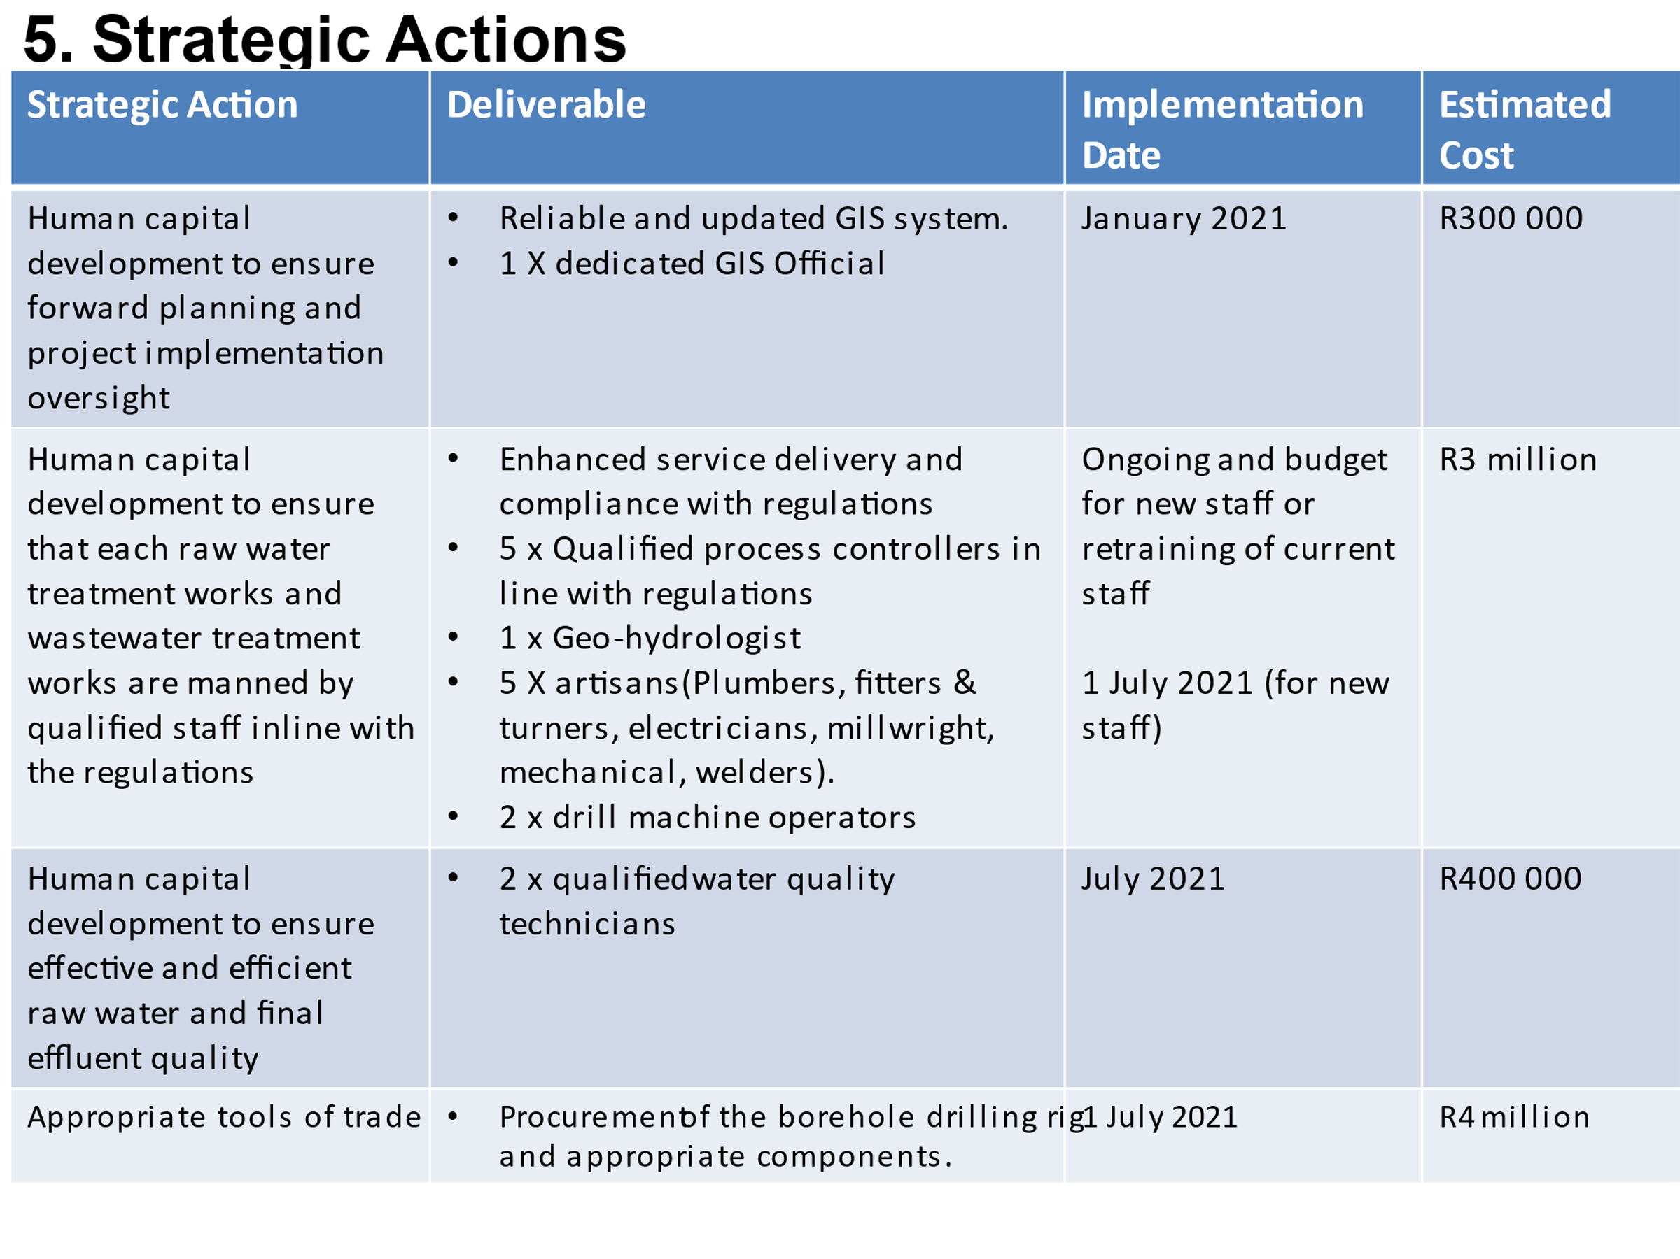
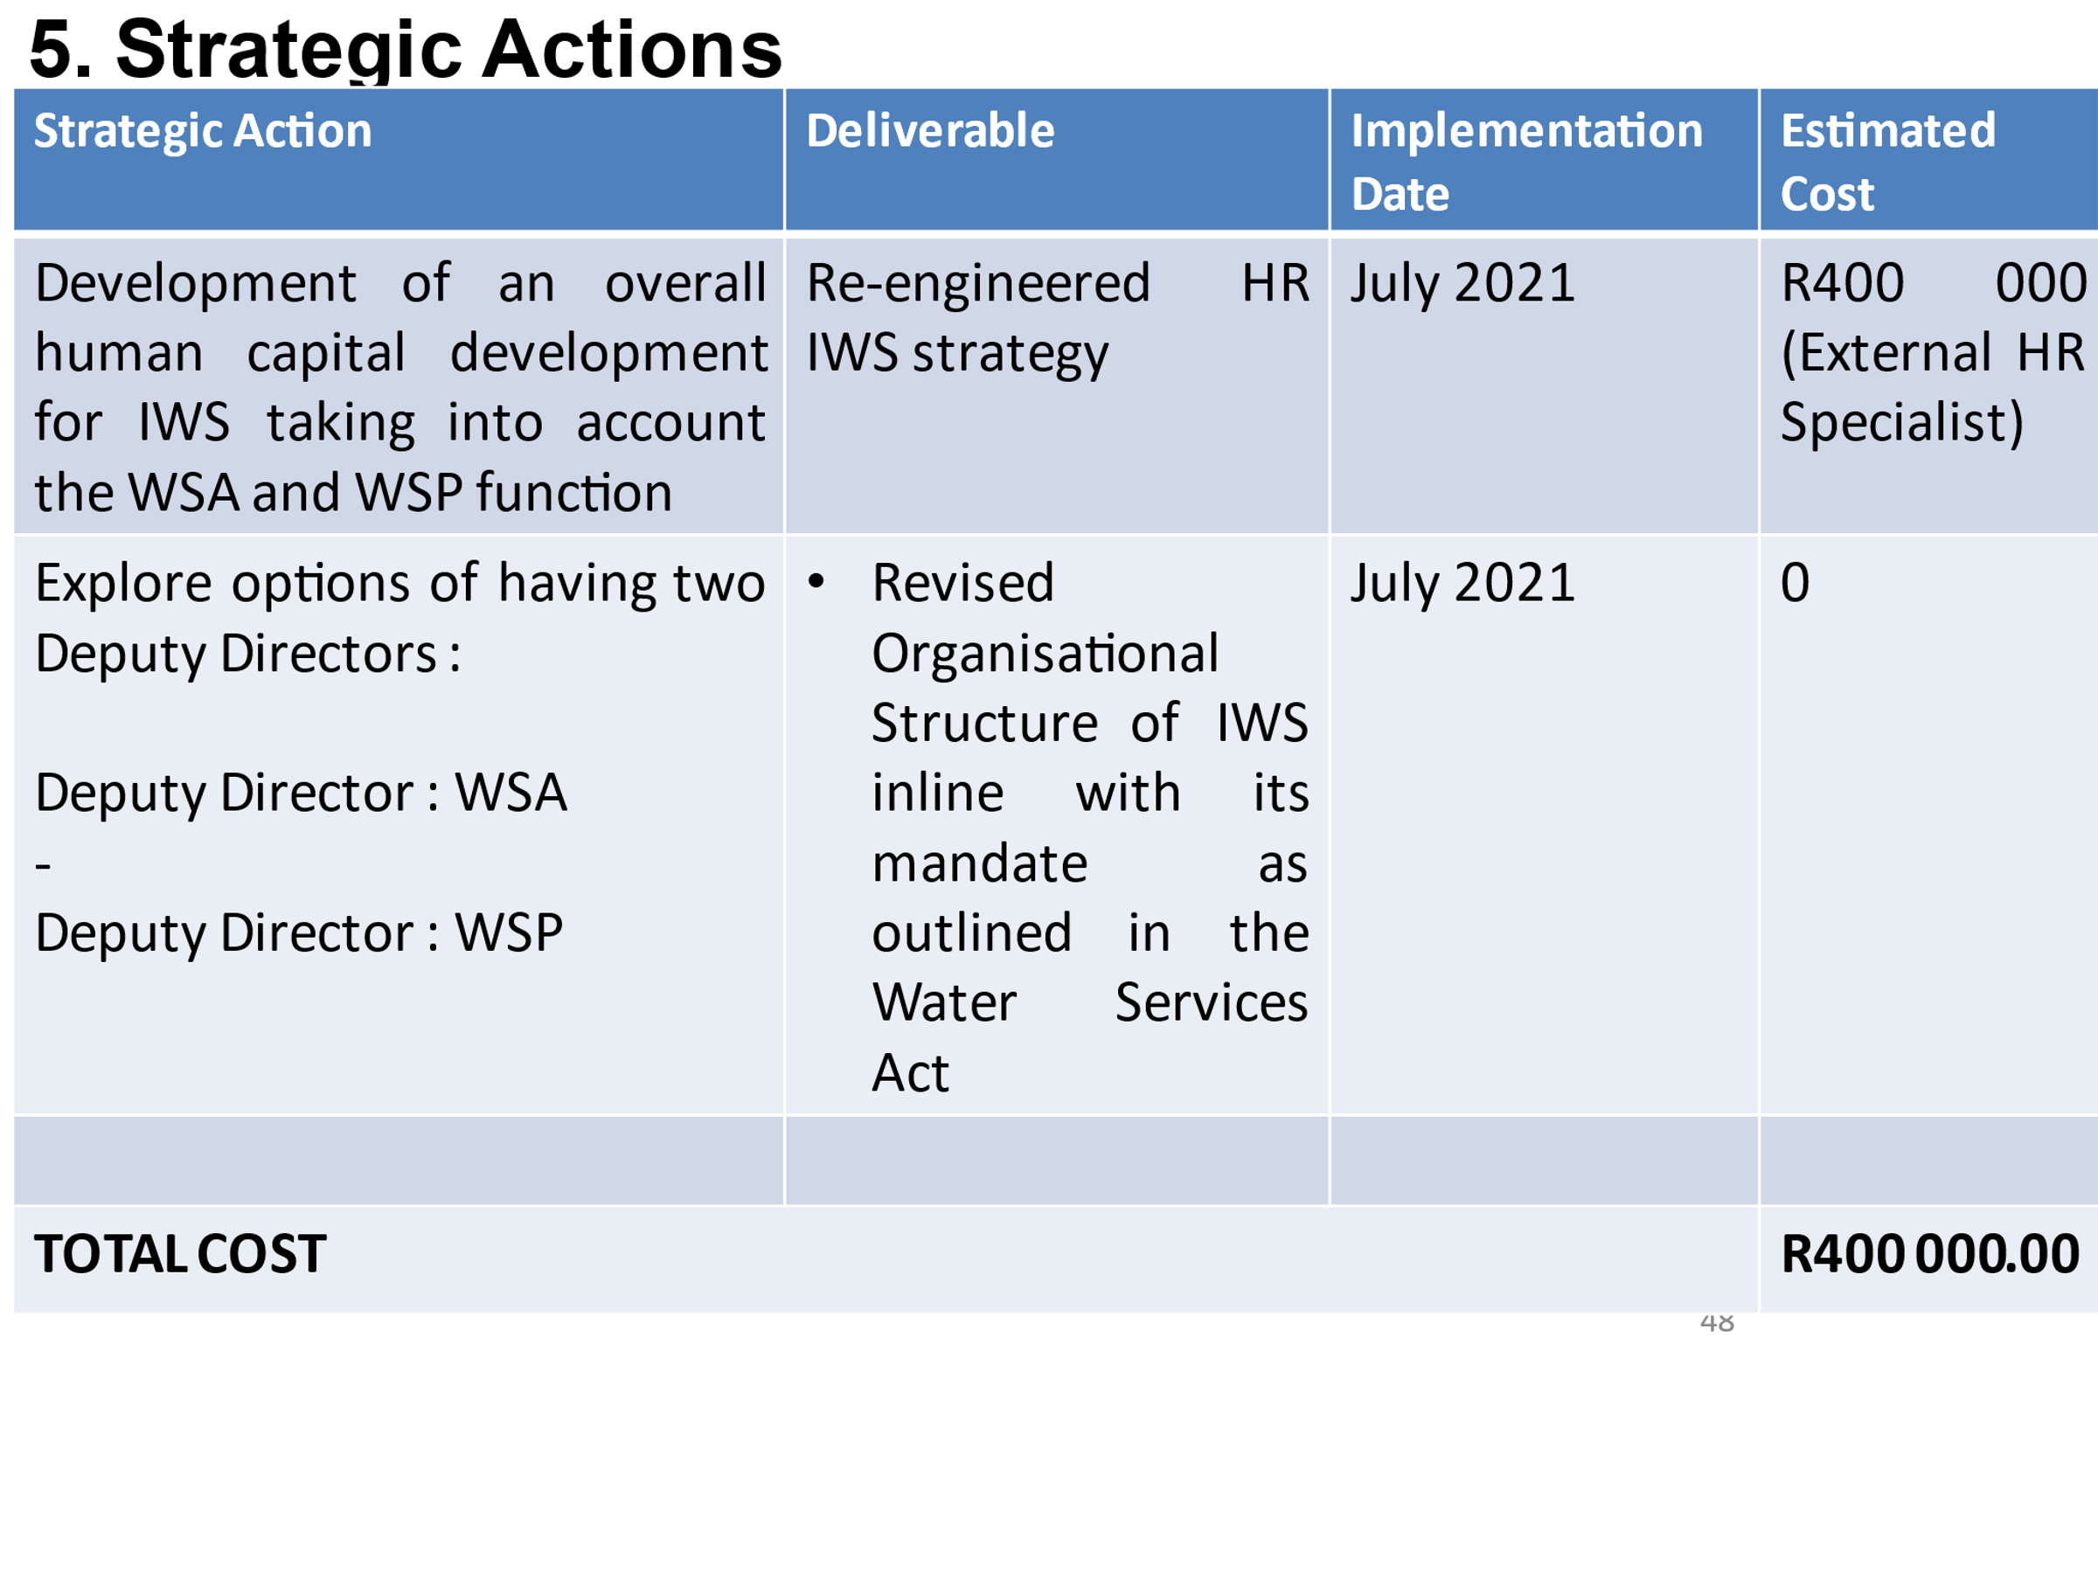
 | SOURCE DEVELOPMENT AND WATER SERVICES PLANNING

